ITA
Data extracted on 14/11/2023 09:34:25 from [ESTAT]
Dataset: | GDP and main components (output, expenditure and income) [nama_10_gdp__custom_8477803]
Last updated: | 13/11/2023 23:00

Time frequency
Unit of measure
National accounts indicator (ESA 2010)

TIME | 2007 | 2008 | 2009 | 2010 | 2011 | 2012 | 2013 | 2014 | 2015 | 2016 | 2017 | 2018 | 2019 | 2020 | 2021 | 2022
GEO (Labels)
Euro area – 20 countries (from 2023) | 9,782,128.8 | 9,823,290.5 | 9,380,402.6 | 9,579,398.3 | 9,740,698.1 | 9,654,704.2 | 9,632,266.7 | 9,765,658.9 | 9,963,498.2 | 10,149,348.3 | 10,416,072.8 | 10,602,178.7 | 10,770,674.4 | 10,116,886.6 | 10,717,891.9 | 11,078,563.8
Germany | 2,585,312.3 | 2,610,128.1 | 2,461,511.7 | 2,564,400.0 | 2,665,057.6 | 2,676,210.8 | 2,687,921.7 | 2,747,312.5 | 2,788,300.5 | 2,850,479.6 | 2,926,879.1 | 2,955,598.6 | 2,987,385.2 | 2,873,064.9 | 2,963,963.5 | 3,017,498.8
France | 2,009,909.9 | 2,015,034.1 | 1,957,135.9 | 1,995,289.0 | 2,039,039.7 | 2,045,424.7 | 2,057,213.0 | 2,076,883.7 | 2,099,997.6 | 2,123,002.3 | 2,171,649.2 | 2,212,151.9 | 2,252,921.3 | 2,083,040.6 | 2,217,088.7 | 2,271,512.8
Italy | 1,688,705.5 | 1,672,460.0 | 1,584,138.4 | 1,611,279.4 | 1,622,676.5 | 1,574,306.1 | 1,545,322.1 | 1,545,251.8 | 1,557,278.5 | 1,577,421.4 | 1,603,730.5 | 1,618,578.0 | 1,626,399.0 | 1,480,442.8 | 1,603,523.3 | 1,663,247.3
United Kingdom | 1,918,174.8 | 1,912,827.3 | 1,834,134.6 | 1,872,175.5 | 1,896,059.0 | 1,923,180.1 | 1,965,223.0 | 2,021,482.0 | 2,069,251.0 | 2,104,891.5 | 2,141,523.2 | 2,168,347.7 | 2,198,071.7 | : | : | :

Special value
: | not available
Available flags: |  |  |  |  |  | 2007 | 2008 | 2009 | 2010 | 2011 | 2012 | 2013 | 2014 | 2015 | 2016 | 2017 | 2018 | 2019 | 2020 | 2021 | 2022
p | provisional |  |  |  |  |  |  |  |  |  |  | 0.98468001157 | 0.99831632763 | 1.0185408927 | 1.0375398349 | 1.0648063436 | 1.0838314355 | 1.1010562854 | 1.034221365 | 1.0956604763 | 1.1325309681
 |  |  |  |  |  |  |  |  |  |  |  | 1.0396893636 | 1.0626617527 | 1.0785159302 | 1.102566835 | 1.1321181971 | 1.1432269131 | 1.1555219847 | 1.1113028395 | 1.1464624603 | 1.1671699392
 |  |  |  |  |  |  |  |  |  |  |  | 1.0235349356 | 1.0333217922 | 1.0448217604 | 1.0562673979 | 1.0804709206 | 1.1006224209 | 1.1209066138 | 1.0363850638 | 1.1030786504 | 1.1301565309
 |  |  |  |  |  |  |  |  |  |  |  | 0.91509271451 | 0.91505108499 | 0.92217293069 | 0.934100943 | 0.94968039128 | 0.95847262889 | 0.96310398705 | 0.8766731677 | 0.94955769375 | 0.9849244288
 |  |  |  |  |  |  |  |  |  |  |  | 1.0245275874 | 1.0538570312 | 1.0787603924 | 1.0973408159 | 1.1164379805 | 1.1304223682 | 1.145918349

ITALIA

 |  |  |  |  |  | -2 | -1 | 0 | +1 | +2 | +3
 |  |  |  | ITA | 2007-11 | 1 | 0.99037990934 | 0.93807854596 | 0.95415062011 | 0.96089963585 | 0.93225615716
 |  |  |  |  | 2011-15 | 1 | 0.97019097768 | 0.9523291303 | 0.95228580681 | 0.95969745048 | 0.97211083047
 |  |  |  |  | 2018-22 | 1 | 1.0048320192 | 0.91465644535 | 0.99069881093 | 1.0275978668

FRA
Data extracted on 14/11/2023 09:34:25 from [ESTAT]
Dataset: | GDP and main components (output, expenditure and income) [nama_10_gdp__custom_8477803]
Last updated: | 13/11/2023 23:00

Time frequency
Unit of measure
National accounts indicator (ESA 2010)

TIME | 2007 | 2008 | 2009 | 2010 | 2011 | 2012 | 2013 | 2014 | 2015 | 2016 | 2017 | 2018 | 2019 | 2020 | 2021 | 2022
GEO (Labels)
Euro area – 20 countries (from 2023) | 9,782,128.8 | 9,823,290.5 | 9,380,402.6 | 9,579,398.3 | 9,740,698.1 | 9,654,704.2 | 9,632,266.7 | 9,765,658.9 | 9,963,498.2 | 10,149,348.3 | 10,416,072.8 | 10,602,178.7 | 10,770,674.4 | 10,116,886.6 | 10,717,891.9 | 11,078,563.8
Germany | 2,585,312.3 | 2,610,128.1 | 2,461,511.7 | 2,564,400.0 | 2,665,057.6 | 2,676,210.8 | 2,687,921.7 | 2,747,312.5 | 2,788,300.5 | 2,850,479.6 | 2,926,879.1 | 2,955,598.6 | 2,987,385.2 | 2,873,064.9 | 2,963,963.5 | 3,017,498.8
France | 2,009,909.9 | 2,015,034.1 | 1,957,135.9 | 1,995,289.0 | 2,039,039.7 | 2,045,424.7 | 2,057,213.0 | 2,076,883.7 | 2,099,997.6 | 2,123,002.3 | 2,171,649.2 | 2,212,151.9 | 2,252,921.3 | 2,083,040.6 | 2,217,088.7 | 2,271,512.8
Italy | 1,688,705.5 | 1,672,460.0 | 1,584,138.4 | 1,611,279.4 | 1,622,676.5 | 1,574,306.1 | 1,545,322.1 | 1,545,251.8 | 1,557,278.5 | 1,577,421.4 | 1,603,730.5 | 1,618,578.0 | 1,626,399.0 | 1,480,442.8 | 1,603,523.3 | 1,663,247.3
United Kingdom | 1,918,174.8 | 1,912,827.3 | 1,834,134.6 | 1,872,175.5 | 1,896,059.0 | 1,923,180.1 | 1,965,223.0 | 2,021,482.0 | 2,069,251.0 | 2,104,891.5 | 2,141,523.2 | 2,168,347.7 | 2,198,071.7 | : | : | :

Special value
: | not available
Available flags: |  |  |  |  |  | 2007 | 2008 | 2009 | 2010 | 2011 | 2012 | 2013 | 2014 | 2015 | 2016 | 2017 | 2018 | 2019 | 2020 | 2021 | 2022
p | provisional |  |  |  |  |  |  |  |  |  |  | 0.98468001157 | 0.99831632763 | 1.0185408927 | 1.0375398349 | 1.0648063436 | 1.0838314355 | 1.1010562854 | 1.034221365 | 1.0956604763 | 1.1325309681
 |  |  |  |  |  |  |  |  |  |  |  | 1.0396893636 | 1.0626617527 | 1.0785159302 | 1.102566835 | 1.1321181971 | 1.1432269131 | 1.1555219847 | 1.1113028395 | 1.1464624603 | 1.1671699392
 |  |  |  |  |  |  |  |  |  |  |  | 1.0235349356 | 1.0333217922 | 1.0448217604 | 1.0562673979 | 1.0804709206 | 1.1006224209 | 1.1209066138 | 1.0363850638 | 1.1030786504 | 1.1301565309
 |  |  |  |  |  |  |  |  |  |  |  | 0.91509271451 | 0.91505108499 | 0.92217293069 | 0.934100943 | 0.94968039128 | 0.95847262889 | 0.96310398705 | 0.8766731677 | 0.94955769375 | 0.9849244288
 |  |  |  |  |  |  |  |  |  |  |  | 1.0245275874 | 1.0538570312 | 1.0787603924 | 1.0973408159 | 1.1164379805 | 1.1304223682 | 1.145918349

FRANCIA

 |  |  |  |  |  | -2 | -1 | 0 | +1 | +2 | +3
 |  |  |  | FRA | 2007-11 | 1 | 1.0025494675 | 0.97374310162 | 0.99272559432 | 1.0144930875 | 1.0176698468
 |  |  |  |  | 2011-15 | 1 | 1.003131376 | 1.0089126759 | 1.0185597171 | 1.0298953963 | 1.041177521
 |  |  |  |  | 2018-22 | 1 | 1.0184297471 | 0.94163542748 | 1.0022316732 | 1.0268340072

GER
Data extracted on 14/11/2023 09:34:25 from [ESTAT]
Dataset: | GDP and main components (output, expenditure and income) [nama_10_gdp__custom_8477803]
Last updated: | 13/11/2023 23:00

Time frequency
Unit of measure
National accounts indicator (ESA 2010)

TIME | 2007 | 2008 | 2009 | 2010 | 2011 | 2012 | 2013 | 2014 | 2015 | 2016 | 2017 | 2018 | 2019 | 2020 | 2021 | 2022
GEO (Labels)
Euro area – 20 countries (from 2023) | 9,782,128.8 | 9,823,290.5 | 9,380,402.6 | 9,579,398.3 | 9,740,698.1 | 9,654,704.2 | 9,632,266.7 | 9,765,658.9 | 9,963,498.2 | 10,149,348.3 | 10,416,072.8 | 10,602,178.7 | 10,770,674.4 | 10,116,886.6 | 10,717,891.9 | 11,078,563.8
Germany | 2,585,312.3 | 2,610,128.1 | 2,461,511.7 | 2,564,400.0 | 2,665,057.6 | 2,676,210.8 | 2,687,921.7 | 2,747,312.5 | 2,788,300.5 | 2,850,479.6 | 2,926,879.1 | 2,955,598.6 | 2,987,385.2 | 2,873,064.9 | 2,963,963.5 | 3,017,498.8
France | 2,009,909.9 | 2,015,034.1 | 1,957,135.9 | 1,995,289.0 | 2,039,039.7 | 2,045,424.7 | 2,057,213.0 | 2,076,883.7 | 2,099,997.6 | 2,123,002.3 | 2,171,649.2 | 2,212,151.9 | 2,252,921.3 | 2,083,040.6 | 2,217,088.7 | 2,271,512.8
Italy | 1,688,705.5 | 1,672,460.0 | 1,584,138.4 | 1,611,279.4 | 1,622,676.5 | 1,574,306.1 | 1,545,322.1 | 1,545,251.8 | 1,557,278.5 | 1,577,421.4 | 1,603,730.5 | 1,618,578.0 | 1,626,399.0 | 1,480,442.8 | 1,603,523.3 | 1,663,247.3
United Kingdom | 1,918,174.8 | 1,912,827.3 | 1,834,134.6 | 1,872,175.5 | 1,896,059.0 | 1,923,180.1 | 1,965,223.0 | 2,021,482.0 | 2,069,251.0 | 2,104,891.5 | 2,141,523.2 | 2,168,347.7 | 2,198,071.7 | : | : | :

Special value
: | not available
Available flags: |  |  |  |  |  | 2007 | 2008 | 2009 | 2010 | 2011 | 2012 | 2013 | 2014 | 2015 | 2016 | 2017 | 2018 | 2019 | 2020 | 2021 | 2022
p | provisional |  |  |  |  |  |  |  |  |  |  | 0.98468001157 | 0.99831632763 | 1.0185408927 | 1.0375398349 | 1.0648063436 | 1.0838314355 | 1.1010562854 | 1.034221365 | 1.0956604763 | 1.1325309681
 |  |  |  |  |  |  |  |  |  |  |  | 1.0396893636 | 1.0626617527 | 1.0785159302 | 1.102566835 | 1.1321181971 | 1.1432269131 | 1.1555219847 | 1.1113028395 | 1.1464624603 | 1.1671699392
 |  |  |  |  |  |  |  |  |  |  |  | 1.0235349356 | 1.0333217922 | 1.0448217604 | 1.0562673979 | 1.0804709206 | 1.1006224209 | 1.1209066138 | 1.0363850638 | 1.1030786504 | 1.1301565309
 |  |  |  |  |  |  |  |  |  |  |  | 0.91509271451 | 0.91505108499 | 0.92217293069 | 0.934100943 | 0.94968039128 | 0.95847262889 | 0.96310398705 | 0.8766731677 | 0.94955769375 | 0.9849244288
 |  |  |  |  |  |  |  |  |  |  |  | 1.0245275874 | 1.0538570312 | 1.0787603924 | 1.0973408159 | 1.1164379805 | 1.1304223682 | 1.145918349

GERMANIA

 |  |  |  |  |  | -2 | -1 | 0 | +1 | +2 | +3
 |  |  |  | GER | 2007-11 | 1 | 1.009598763 | 0.95211387034 | 0.99191111263 | 1.0308455191 | 1.0351595821
 |  |  |  |  | 2011-15 | 1 | 1.0041849752 | 1.0085792142 | 1.030864211 | 1.0462439911 | 1.0695752317
 |  |  |  |  | 2018-22 | 1 | 1.010754708 | 0.9720754706 | 1.0028301881 | 1.0209433717

UK
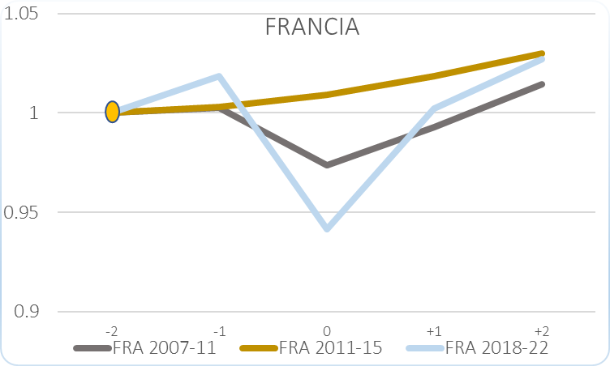
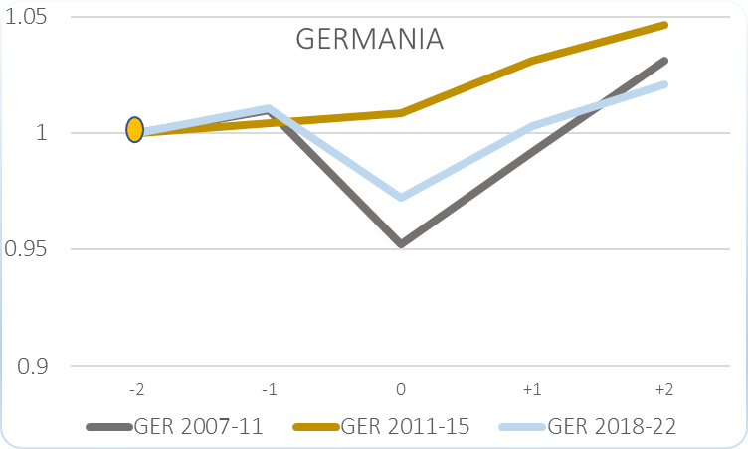
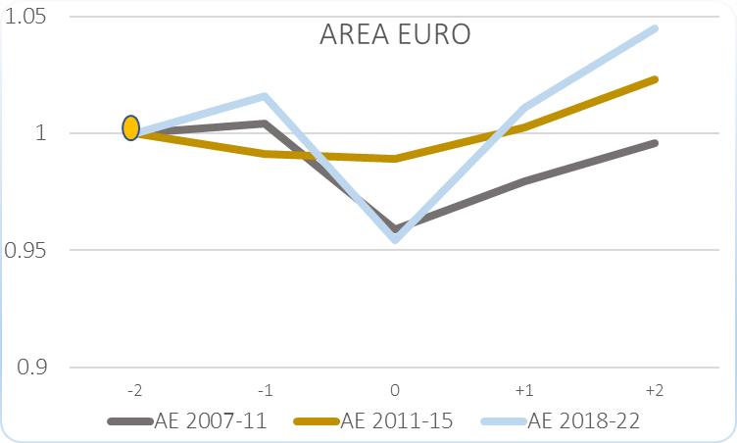
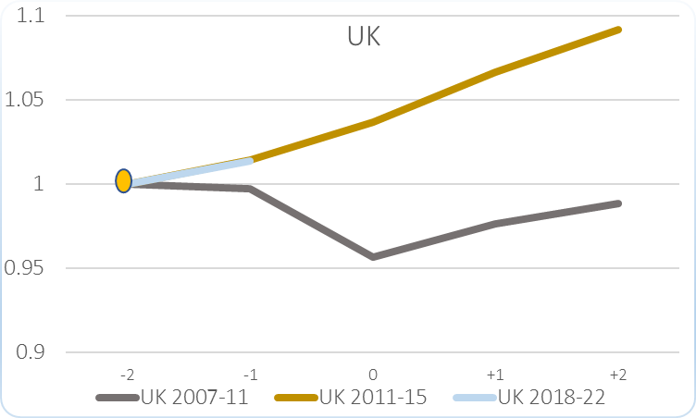
Data extracted on 14/11/2023 09:34:25 from [ESTAT]
Dataset: | GDP and main components (output, expenditure and income) [nama_10_gdp__custom_8477803]
Last updated: | 13/11/2023 23:00

Time frequency
Unit of measure
National accounts indicator (ESA 2010)

TIME | 2007 | 2008 | 2009 | 2010 | 2011 | 2012 | 2013 | 2014 | 2015 | 2016 | 2017 | 2018 | 2019 | 2020 | 2021 | 2022
GEO (Labels) |  |  |  |  |  |  |  |  |  |  |  |  |  |  |  |  |  |  |  |  | 2007 | 2008 | 2009 | 2010 | 2011 | 2012 | 2013 | 2014 | 2015 | 2016 | 2017 | 2018 | 2019 | 2020 | 2021 | 2022
Euro area – 20 countries (from 2023) | 9,782,128.8 | 9,823,290.5 | 9,380,402.6 | 9,579,398.3 | 9,740,698.1 | 9,654,704.2 | 9,632,266.7 | 9,765,658.9 | 9,963,498.2 | 10,149,348.3 | 10,416,072.8 | 10,602,178.7 | 10,770,674.4 | 10,116,886.6 | 10,717,891.9 | 11,078,563.8 |  |  |  | AE | 1 | 1.0042078469 | 0.95893264051 | 0.97927542111 | 0.99576465401 | 0.98697373521 | 0.98468001157 | 0.99831632763 | 1.0185408927 | 1.0375398349 | 1.0648063436 | 1.0838314355 | 1.1010562854 | 1.034221365 | 1.0956604763 | 1.1325309681
Germany | 2,585,312.3 | 2,610,128.1 | 2,461,511.7 | 2,564,400.0 | 2,665,057.6 | 2,676,210.8 | 2,687,921.7 | 2,747,312.5 | 2,788,300.5 | 2,850,479.6 | 2,926,879.1 | 2,955,598.6 | 2,987,385.2 | 2,873,064.9 | 2,963,963.5 | 3,017,498.8 |  |  |  | GER | 1 | 1.009598763 | 0.95211387034 | 0.99191111263 | 1.0308455191 | 1.0351595821 | 1.0396893636 | 1.0626617527 | 1.0785159302 | 1.102566835 | 1.1321181971 | 1.1432269131 | 1.1555219847 | 1.1113028395 | 1.1464624603 | 1.1671699392
France | 2,009,909.9 | 2,015,034.1 | 1,957,135.9 | 1,995,289.0 | 2,039,039.7 | 2,045,424.7 | 2,057,213.0 | 2,076,883.7 | 2,099,997.6 | 2,123,002.3 | 2,171,649.2 | 2,212,151.9 | 2,252,921.3 | 2,083,040.6 | 2,217,088.7 | 2,271,512.8 |  |  |  | FRA | 1 | 1.0025494675 | 0.97374310162 | 0.99272559432 | 1.0144930875 | 1.0176698468 | 1.0235349356 | 1.0333217922 | 1.0448217604 | 1.0562673979 | 1.0804709206 | 1.1006224209 | 1.1209066138 | 1.0363850638 | 1.1030786504 | 1.1301565309
Italy | 1,688,705.5 | 1,672,460.0 | 1,584,138.4 | 1,611,279.4 | 1,622,676.5 | 1,574,306.1 | 1,545,322.1 | 1,545,251.8 | 1,557,278.5 | 1,577,421.4 | 1,603,730.5 | 1,618,578.0 | 1,626,399.0 | 1,480,442.8 | 1,603,523.3 | 1,663,247.3 |  |  |  | ITA | 1 | 0.99037990934 | 0.93807854596 | 0.95415062011 | 0.96089963585 | 0.93225615716 | 0.91509271451 | 0.91505108499 | 0.92217293069 | 0.934100943 | 0.94968039128 | 0.95847262889 | 0.96310398705 | 0.8766731677 | 0.94955769375 | 0.9849244288
United Kingdom | 1,918,174.8 | 1,912,827.3 | 1,834,134.6 | 1,872,175.5 | 1,896,059.0 | 1,923,180.1 | 1,965,223.0 | 2,021,482.0 | 2,069,251.0 | 2,104,891.5 | 2,141,523.2 | 2,168,347.7 | 2,198,071.7 | : | : | : |  |  |  | UK | 1 | 0.99721219359 | 0.95618741316 | 0.97601923453 | 0.98847039383 | 1.0026094077 | 1.0245275874 | 1.0538570312 | 1.0787603924 | 1.0973408159 | 1.1164379805 | 1.1304223682 | 1.145918349

Special value
: | not available
Available flags: |  |  |  |  |  | 2007 | 2008 | 2009 | 2010 | 2011 | 2012 | 2013 | 2014 | 2015 | 2016 | 2017 | 2018 | 2019 | 2020 | 2021 | 2022
p | provisional |  |  |  |  |  |  |  |  |  |  | 0.98468001157 | 0.99831632763 | 1.0185408927 | 1.0375398349 | 1.0648063436 | 1.0838314355 | 1.1010562854 | 1.034221365 | 1.0956604763 | 1.1325309681
PIL - 2007 =1
 | AE | GER | FRA | ITA | UK
2007 | 1 | 1 | 1 | 1 | 1
2008 | 1.0042078469 | 1.009598763 | 1.0025494675 | 0.99037990934 | 0.99721219359
2009 | 0.95893264051 | 0.95211387034 | 0.97374310162 | 0.93807854596 | 0.95618741316
2010 | 0.97927542111 | 0.99191111263 | 0.99272559432 | 0.95415062011 | 0.97601923453
2011 | 0.99576465401 | 1.0308455191 | 1.0144930875 | 0.96089963585 | 0.98847039383
2012 | 0.98697373521 | 1.0351595821 | 1.0176698468 | 0.93225615716 | 1.0026094077
2013 | 0.98468001157 | 1.0396893636 | 1.0235349356 | 0.91509271451 | 1.0245275874
2014 | 0.99831632763 | 1.0626617527 | 1.0333217922 | 0.91505108499 | 1.0538570312
2015 | 1.0185408927 | 1.0785159302 | 1.0448217604 | 0.92217293069 | 1.0787603924
2016 | 1.0375398349 | 1.102566835 | 1.0562673979 | 0.934100943 | 1.0973408159
2017 | 1.0648063436 | 1.1321181971 | 1.0804709206 | 0.94968039128 | 1.1164379805
2018 | 1.0838314355 | 1.1432269131 | 1.1006224209 | 0.95847262889 | 1.1304223682
2019 | 1.1010562854 | 1.1555219847 | 1.1209066138 | 0.96310398705 | 1.145918349
2020 | 1.034221365 | 1.1113028395 | 1.0363850638 | 0.8766731677
2021 | 1.0956604763 | 1.1464624603 | 1.1030786504 | 0.94955769375
2022 | 1.1325309681 | 1.1671699392 | 1.1301565309 | 0.9849244288
 |  |  |  |  |  |  |  |  |  |  |  | 1.0396893636 | 1.0626617527 | 1.0785159302 | 1.102566835 | 1.1321181971 | 1.1432269131 | 1.1555219847 | 1.1113028395 | 1.1464624603 | 1.1671699392
 |  |  |  |  |  |  |  |  |  |  |  | 1.0235349356 | 1.0333217922 | 1.0448217604 | 1.0562673979 | 1.0804709206 | 1.1006224209 | 1.1209066138 | 1.0363850638 | 1.1030786504 | 1.1301565309
 |  |  |  |  |  |  |  |  |  |  |  | 0.91509271451 | 0.91505108499 | 0.92217293069 | 0.934100943 | 0.94968039128 | 0.95847262889 | 0.96310398705 | 0.8766731677 | 0.94955769375 | 0.9849244288
 |  |  |  |  |  |  |  |  |  |  |  | 1.0245275874 | 1.0538570312 | 1.0787603924 | 1.0973408159 | 1.1164379805 | 1.1304223682 | 1.145918349

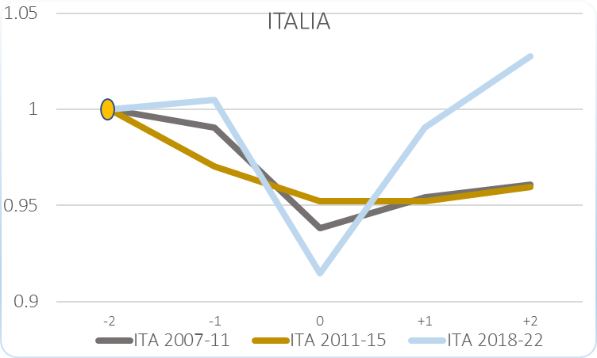
UK
 | UK | UK | UK
-2 | 1 | 1 | 1
-1 | 0.99721219359 | 1.0143039325 | 1.0137081336
0 | 0.95618741316 | 1.0364777678
+1 | 0.97601923453 | 1.0661493129
+2 | 0.98847039383 | 1.0913431491

 |  |  |  |  |  | -2 | -1 | 0 | +1 | +2 | +3
 |  |  |  | UK | 2007-11 | 1 | 0.99721219359 | 0.95618741316 | 0.97601923453 | 0.98847039383 | 1.0026094077
 |  |  |  |  | 2011-15 | 1 | 1.0143039325 | 1.0364777678 | 1.0661493129 | 1.0913431491 | 1.1101402963
 |  |  |  |  | 2018-22 | 1 | 1.0137081336

AE
Data extracted on 14/11/2023 09:34:25 from [ESTAT]
Dataset: | GDP and main components (output, expenditure and income) [nama_10_gdp__custom_8477803]
Last updated: | 13/11/2023 23:00

Time frequency
Unit of measure
National accounts indicator (ESA 2010)

TIME | 2007 | 2008 | 2009 | 2010 | 2011 | 2012 | 2013 | 2014 | 2015 | 2016 | 2017 | 2018 | 2019 | 2020 | 2021 | 2022
GEO (Labels)
Euro area – 20 countries (from 2023) | 9,782,128.8 | 9,823,290.5 | 9,380,402.6 | 9,579,398.3 | 9,740,698.1 | 9,654,704.2 | 9,632,266.7 | 9,765,658.9 | 9,963,498.2 | 10,149,348.3 | 10,416,072.8 | 10,602,178.7 | 10,770,674.4 | 10,116,886.6 | 10,717,891.9 | 11,078,563.8
Germany | 2,585,312.3 | 2,610,128.1 | 2,461,511.7 | 2,564,400.0 | 2,665,057.6 | 2,676,210.8 | 2,687,921.7 | 2,747,312.5 | 2,788,300.5 | 2,850,479.6 | 2,926,879.1 | 2,955,598.6 | 2,987,385.2 | 2,873,064.9 | 2,963,963.5 | 3,017,498.8
France | 2,009,909.9 | 2,015,034.1 | 1,957,135.9 | 1,995,289.0 | 2,039,039.7 | 2,045,424.7 | 2,057,213.0 | 2,076,883.7 | 2,099,997.6 | 2,123,002.3 | 2,171,649.2 | 2,212,151.9 | 2,252,921.3 | 2,083,040.6 | 2,217,088.7 | 2,271,512.8
Italy | 1,688,705.5 | 1,672,460.0 | 1,584,138.4 | 1,611,279.4 | 1,622,676.5 | 1,574,306.1 | 1,545,322.1 | 1,545,251.8 | 1,557,278.5 | 1,577,421.4 | 1,603,730.5 | 1,618,578.0 | 1,626,399.0 | 1,480,442.8 | 1,603,523.3 | 1,663,247.3
United Kingdom | 1,918,174.8 | 1,912,827.3 | 1,834,134.6 | 1,872,175.5 | 1,896,059.0 | 1,923,180.1 | 1,965,223.0 | 2,021,482.0 | 2,069,251.0 | 2,104,891.5 | 2,141,523.2 | 2,168,347.7 | 2,198,071.7 | : | : | :

Special value
: | not available
Available flags: |  |  |  |  |  | 2007 | 2008 | 2009 | 2010 | 2011 | 2012 | 2013 | 2014 | 2015 | 2016 | 2017 | 2018 | 2019 | 2020 | 2021 | 2022
p | provisional |  |  |  |  |  |  |  |  |  |  | 0.98468001157 | 0.99831632763 | 1.0185408927 | 1.0375398349 | 1.0648063436 | 1.0838314355 | 1.1010562854 | 1.034221365 | 1.0956604763 | 1.1325309681
 |  |  |  |  |  |  |  |  |  |  |  | 1.0396893636 | 1.0626617527 | 1.0785159302 | 1.102566835 | 1.1321181971 | 1.1432269131 | 1.1555219847 | 1.1113028395 | 1.1464624603 | 1.1671699392
 |  |  |  |  |  |  |  |  |  |  |  | 1.0235349356 | 1.0333217922 | 1.0448217604 | 1.0562673979 | 1.0804709206 | 1.1006224209 | 1.1209066138 | 1.0363850638 | 1.1030786504 | 1.1301565309
 |  |  |  |  |  |  |  |  |  |  |  | 0.91509271451 | 0.91505108499 | 0.92217293069 | 0.934100943 | 0.94968039128 | 0.95847262889 | 0.96310398705 | 0.8766731677 | 0.94955769375 | 0.9849244288
 |  |  |  |  |  |  |  |  |  |  |  | 1.0245275874 | 1.0538570312 | 1.0787603924 | 1.0973408159 | 1.1164379805 | 1.1304223682 | 1.145918349

AREA EURO

 |  |  |  |  |  | -2 | -1 | 0 | +1 | +2 | +3
 |  |  |  | AE | 2007-11 | 1 | 1.0042078469 | 0.95893264051 | 0.97927542111 | 0.99576465401 | 0.98697373521
 |  |  |  |  | 2011-15 | 1 | 0.99117169025 | 0.98886821059 | 1.0025625268 | 1.0228731142 | 1.0419528658
 |  |  |  |  | 2018-22 | 1 | 1.0158925542 | 0.95422713447 | 1.0109140964 | 1.0449327552

