Summary
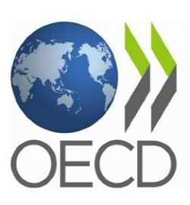 | Policy responses to the COVID-19 crisis |  |  |  |  | [See table with full details] |  | [See summary chart at the bottom]
Version 24 July 2020
Note: The information in this file has been compiled by the Employment, Labour and Social Affairs Directorate of the OECD building on the information collected by the country desks of the Economics Department and other sources. This table provides a summary of the social and employment policy measures that countries have taken (or announced) to help workers and companies weather the effect of Covid-19. The information may not be complete and readers are invited to provide corrections or complementary information to ELS.Contact@oecd.org. The table will be regularly updated.
OECD countries | Last update | Confinement measures | Reducing workers’ exposure to COVID-19 in the workplace | Income support to sick workers and their families | Income support to quarantined workers who cannot work from home | Helping dealing with unforeseen care needs | Income support to persons losing their jobs or self-employment income | Helping firms to adjust working time and preserve jobs | Financial support to firms affected by a drop in demand | Changes to dismissal regulation | Helping economically insecure workers stay in their homes
Australia | July 24, 2020 | ✓ | ✓ | ✓ | ✓ | ✓ | ✓ | ✓ | ✓ |  | ✓
Austria | July 24, 2020 | ✓ | ✓ | ✓ | ✓ | ✓ | ✓ | ✓ | ✓ |  | ✓
Belgium | June 26, 2020 | ✓ | ✓ | ✓ | ✓ | ✓ | ✓ | ✓ | ✓ |  | ✓
Canada | June 24, 2020 | ✓ | ✓ | ✓ | ✓ | ✓ | ✓ | ✓ | ✓ |  | ✓
Chile | July 22, 2020 | ✓ | ✓ | ✓ | ✓ |  | ✓ | ✓ | ✓
Colombia | June 26, 2020 | ✓ | ✓ | ✓ | ✓ |  | ✓ |  | ✓ | ✓ | ✓
Czech Republic | June 26, 2020 | ✓ | ✓ | ✓ | ✓ | ✓ | ✓ | ✓ | ✓ |  | ✓
Denmark | June 24, 2020 | ✓ | ✓ | ✓ | ✓ | ✓ | ✓ | ✓ | ✓
Estonia | June 24, 2020 | ✓ | ✓ | ✓ | ✓ | ✓ | ✓ | ✓ | ✓
Finland | July 3, 2020 | ✓ | ✓ | ✓ | ✓ | ✓ | ✓ | ✓ | ✓ | ✓
France | July 7, 2020 | ✓ | ✓ | ✓ | ✓ | ✓ | ✓ | ✓ | ✓ | ✓ | ✓
Germany | July 3, 2020 | ✓ | ✓ | ✓ | ✓ | ✓ | ✓ | ✓ | ✓ |  | ✓
Greece | June 26, 2020 | ✓ | ✓ |  |  | ✓ | ✓ | ✓ | ✓ | ✓ | ✓
Hungary | June 26, 2020 | ✓ | ✓ |  | ✓ | ✓ | ✓ | ✓ | ✓ |  | ✓
Iceland | June 24, 2020 | ✓ |  | ✓ | ✓ | ✓ | ✓ | ✓ | ✓
Ireland | June 24, 2020 | ✓ | ✓ | ✓ | ✓ | ✓ | ✓ | ✓ | ✓ |  | ✓
Israel | July 24, 2020 | ✓ | ✓ |  | ✓ | ✓ | ✓ |  | ✓ |  | ✓
Italy | June 26, 2020 | ✓ | ✓ | ✓ | ✓ | ✓ | ✓ | ✓ | ✓ | ✓ | ✓
Japan | July 24, 2020 | ✓ | ✓ | ✓ | ✓ | ✓ | ✓ | ✓ | ✓ |  | ✓
Korea | June 24, 2020 | ✓ | ✓ | ✓ | ✓ | ✓ | ✓ | ✓ | ✓ |  | ✓
Latvia | July 3, 2020 | ✓ | ✓ | ✓ | ✓ | ✓ | ✓ | ✓ | ✓
Lithuania | June 26, 2020 | ✓ | ✓ | ✓ | ✓ | ✓ | ✓ | ✓ | ✓ | ✓ | ✓
Luxembourg | June 24, 2020 | ✓ | ✓ |  | ✓ | ✓ | ✓ | ✓ | ✓ |  | ✓
Mexico | June 26, 2020 | ✓ | ✓ | ✓ |  |  |  |  | ✓ | ✓ | ✓
Netherlands | July 3, 2020 | ✓ | ✓ |  | ✓ | ✓ | ✓ | ✓ | ✓ |  | ✓
New Zealand | June 24, 2020 | ✓ | ✓ | ✓ | ✓ | ✓ | ✓ | ✓ | ✓ |  | ✓
Norway | June 29, 2020 | ✓ |  | ✓ | ✓ | ✓ | ✓ | ✓ | ✓
Poland | July 3, 2020 | ✓ | ✓ | ✓ | ✓ | ✓ | ✓ | ✓ | ✓ |  | ✓
Portugal | June 26, 2020 | ✓ |  | ✓ | ✓ | ✓ | ✓ | ✓ | ✓ |  | ✓ | http://oe.cd/il/covid19briefsocial-pt
Slovak Republic | June 24, 2020 | ✓ | ✓ |  | ✓ | ✓ | ✓ | ✓ | ✓ | ✓ | ✓
Slovenia | June 29, 2020 | ✓ |  | ✓ | ✓ | ✓ | ✓ | ✓ | ✓
Spain | July 3, 2020 | ✓ | ✓ | ✓ | ✓ | ✓ | ✓ | ✓ | ✓ | ✓ | ✓
Sweden | July 3, 2020 | ✓ | ✓ | ✓ | ✓ | ✓ | ✓ | ✓ | ✓
Switzerland | July 3, 2020 | ✓ | ✓ | ✓ | ✓ | ✓ | ✓ | ✓ | ✓
Turkey | June 26, 2020 | ✓ | ✓ | ✓ |  |  | ✓ | ✓ | ✓ |  | ✓
United Kingdom | July 3, 2020 | ✓ | ✓ | ✓ | ✓ | ✓ | ✓ | ✓ | ✓ |  | ✓
United States (federal level) | June 26, 2020 | ✓ | ✓ | ✓ | ✓ | ✓ | ✓ | ✓ | ✓ |  | ✓
% of 37 OECD countries |  | 100% | 89% | 84% | 92% | 89% | 97% | 92% | 100% | 24% | 73%
G20 Non-OECD and Accession countries | Last update | Confinement measures | Reducing workers’ exposure to COVID-19 in the workplace | Income support to sick workers and their families | Income support to quarantined workers who cannot work from home | Helping dealing with unforeseen care needs | Income support to persons losing their jobs or self-employment income | Helping firms to adjust working time and preserve jobs | Financial support to firms affected by a drop in demand | Changes to dismissal regulation | Helping economically insecure workers stay in their homes
Argentina | June 26, 2020 | ✓ | ✓ | ✓ |  | ✓ | ✓ | ✓ | ✓ | ✓ | ✓
Brazil (national level) | April 8, 2020 | ✓ | ✓ | ✓ | ✓ |  | ✓ | ✓ | ✓ |  |  | http://oe.cd/il/covid19briefsocial-pt
China (national level) | April 24, 2020 | ✓ | ✓ | ✓ |  |  | ✓ | ✓ | ✓ | ✓
Costa Rica | June 4, 2020 | ✓ |  |  |  |  | ✓ |  | ✓
India (national level) | June 26, 2020 | ✓ | ✓ | ✓ |  |  | ✓ | ✓ | ✓ |  | ✓
Indonesia | May 21, 2020 | ✓ | ✓ |  |  |  | ✓ |  | ✓ |  | ✓
Russian Federation | July 3, 2020 | ✓ | ✓ | ✓ | ✓ | ✓ | ✓ | ✓ | ✓ |  | ✓
Saudi Arabia | July 3, 2020 | ✓ | ✓ | ✓ | ✓ |  |  | ✓ | ✓
South Africa | June 3, 2020 | ✓ | ✓ | ✓ | ✓ |  | ✓ | ✓ | ✓ |  | ✓
% of G20 countries and Spain |  | 100% | 100% | 95% | 70% | 60% | 90% | 90% | 100% | 30% | 85%

Share of OECD countries that have introduced (or announced) new measures or expanded existing ones in response to COVID-19

 |  |  |  |  |  |  |  | Version 24 July 2020

 |  |  |  |  |  |  |  |  |  |  |  |  | Financial support to firms | 100%
 |  |  |  |  |  |  |  |  |  |  |  |  | Income support to people losing job/income | 97%
 |  |  |  |  |  |  |  |  |  |  |  |  | Income support to quarantined workers | 92%
 |  |  |  |  |  |  |  |  |  |  |  |  | Adj. hours of work and short-time schemes | 92%
 |  |  |  |  |  |  |  |  |  |  |  |  | Help with unforeseen care needs | 89%
 |  |  |  |  |  |  |  |  |  |  |  |  | Reducing workers' exposure to COVID-19 | 89%
 |  |  |  |  |  |  |  |  |  |  |  |  | Income support to sick workers | 84%
 |  |  |  |  |  |  |  |  |  |  |  |  | Helping people stay in their homes | 73%
 |  |  |  |  |  |  |  |  |  |  |  |  | Changes to dismissal regulation | 24%

 |  |  | Source: OECD (2020), “Supporting people and companies to deal with the Covid-19 virus: Options for an immediate employment and social-policy response”, ELS Policy Brief on the Policy Response to the Covid-19 Crisis, OECD, Paris, http://oe.cd/covid19briefsocial.

Share of G20 countries that have introduced (or announced) new measures or expanded existing ones in response to Covid-19

 |  |  |  |  |  |  |  | Version 24 July 2020

 |  |  |  |  |  |  |  |  |  |  |  |  | Financial support to firms | 100%
 |  |  |  |  |  |  |  |  |  |  |  |  | Reducing workers' exposure to Covid-19 | 100%
 |  |  |  |  |  |  |  |  |  |  |  |  | Income support to sick workers | 95%
 |  |  |  |  |  |  |  |  |  |  |  |  | Short-time schemes and adj.to hours of work | 90%
 |  |  |  |  |  |  |  |  |  |  |  |  | Income support to people losing job/income | 90%
 |  |  |  |  |  |  |  |  |  |  |  |  | Helping people with rent, mortgages or utilities | 85%
 |  |  |  |  |  |  |  |  |  |  |  |  | Income support to quarantined workers | 70%
 |  |  |  |  |  |  |  |  |  |  |  |  | Help with unforeseen care needs | 60%
 |  |  |  |  |  |  |  |  |  |  |  |  | Measures on economic dismissals | 30%

 |  |  | Source: OECD (2020), “Supporting people and companies to deal with the Covid-19 virus: Options for an immediate employment and social-policy response”, ELS Policy Brief on the Policy Response to the Covid-19 Crisis, OECD, Paris, http://oe.cd/covid19briefsocial.

Source
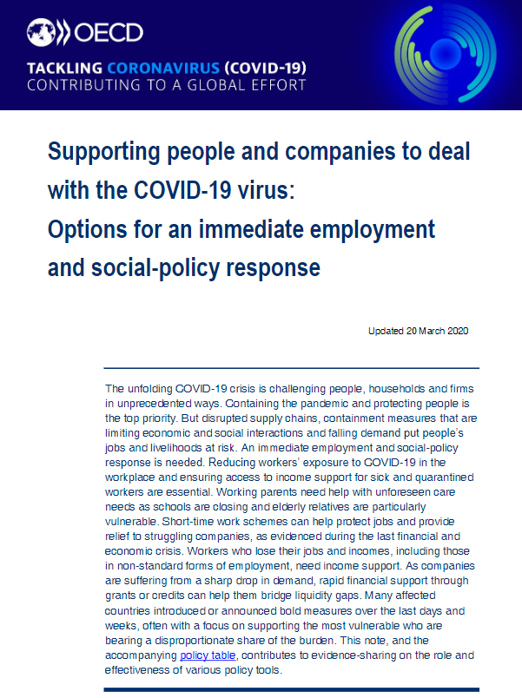
See full 12-page policy brief via: http://oe.cd/covid19briefsocial

Other-Policy-Tracking-Sites
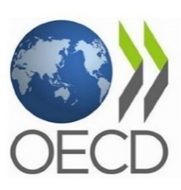 Other OECD trackers and sources of information regarding the policy response to the Covid-19 crisis
Name | Short description | Link
OECD Country Policy Tracker | What are countries doing to contain the spread of the coronavirus? How are countries helping people, small businesses and the economy to weather the crisis and beyond? This Country Policy Tracker helps you to navigate the global response. | https://oecd.github.io/OECD-covid-action-map/
OECD Health System Response Tracker | This tracker aims to gather the most recent information on policies to maximize health system capacity, beyond those focused of containment and mitigation, adopted by countries to respond to the pandemic, and lists the sources where to find such information. | http://www.oecd.org/health/COVID19-OECD-Health-System-Response-Tracker.xlsx
OECD Tax policy responses by country | This Ms-Excel table provides an overview of the tax policy measures that countries have implemented in response to the Covid-19 pandemic. In addition to tax policy measures, the table lists measures that are relevant to tax policy, such as changes in benefits and benefit entitlements. | http://www.oecd.org/tax/covid-19-tax-policy-and-other-measures.xlsm
OECD Science and innovation policy responses by country | There is considerable variety in the types of Science and Innovation (S&I) policy measures and arrangements countries are using to respond to the Covid-19 crisis. This monitor seeks to collect information on these, to provide a cross-country information service that S&I policy makers can use when designing their own policies. | https://stip.oecd.org/Covid.html

